Example3 (Simplex)
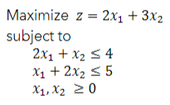
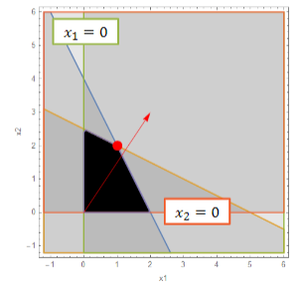

Basis | z | x1 | x2 | s1 | s2 | sol
z | 1 | -2 | -3 | 0 | 0 | 0
s1 | 0 | 2 | 1 | 1 | 0 | 4 | 4
s2 | 0 | 1 | 2 | 0 | 1 | 5 | 2.5

Basis | z | x1 | x2 | s1 | s2 | sol
z | 1 | -0.5 | 0 | 0 | 1.5 | 7.5
s1 | 0 | 1.5 | 0 | 1 | -0.5 | 1.5 | 1
x2 | 0 | 0.5 | 1 | 0 | 0.5 | 2.5 | 5

Basis | z | x1 | x2 | s1 | s2 | sol
z | 1 | 0 | 0 | 0 | 1.3333333333 | 8
x1 | 0 | 1 | 0 | 0.66666666667 | -0.33333333333 | 1
x2 | 0 | 0 | 1 | -0.33333333333 | 0.66666666667 | 2

Example4 (Big M)
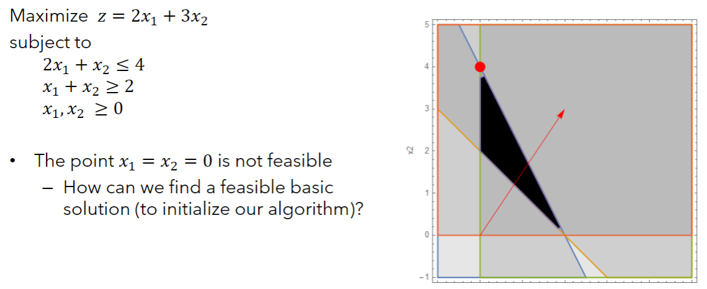

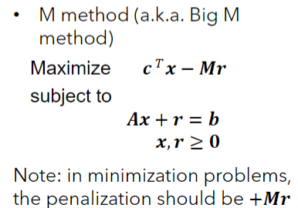
Basis | z | x1 | x2 | s1 | s2 | sol
 | 1 | -2 | -3 | 0 | 0 | 0
 | 0 | 2 | 1 | 1 | 0 | 4
 | 0 | -1 | -1 | 0 | 1 | -2

Basis | z | x1 | x2 | s1 | s2 | r | sol
 | 1 | -2 | -3 | 0 | 0 | 1000 | 0
 | 0 | 2 | 1 | 1 | 0 | 0 | 4
 | 0 | 1 | 1 | 0 | -1 | 1 | 2

Basis | z | x1 | x2 | s1 | s2 | r | sol
z | 1 | -1002 | -1003 | 0 | 1000 | 0 | -2000
s1 | 0 | 2 | 1 | 1 | 0 | 0 | 4 | 4
r | 0 | 1 | 1 | 0 | -1 | 1 | 2 | 2

Basis | z | x1 | x2 | s1 | s2 | r | sol
z | 1 | 1 | 0 | 0 | -3 | 1003 | 6
s1 | 0 | 1 | 0 | 1 | 1 | -1 | 2 | 2
x2 | 0 | 1 | 1 | 0 | -1 | 1 | 2 | -2

Basis | z | x1 | x2 | s1 | s2 | r | sol
z | 1 | 4 | 0 | 3 | 0 | 1000 | 12
s2 | 0 | 1 | 0 | 1 | 1 | -1 | 2
x2 | 0 | 2 | 1 | 1 | 0 | 0 | 4

Basis | z | x1 | x2 | s1 | s2 | r | sol

Example4 (Two-Phase)
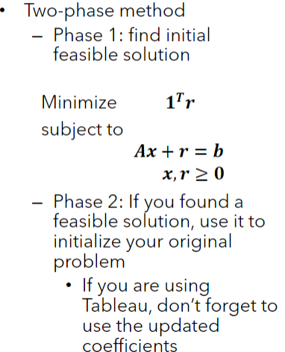
Basis | z | x1 | x2 | s1 | s2 | sol

Basis | z | x1 | x2 | s1 | s2 | r | sol
 | 1 | 0 | 0 | 0 | 0 | -1 | 0
 | 0 | 2 | 1 | 1 | 0 | 0 | 4
 | 0 | 1 | 1 | 0 | -1 | 1 | 2

Basis | z | x1 | x2 | s1 | s2 | r | sol
z | 1 | 1 | 1 | 0 | -1 | 0 | 2
s1 | 0 | 2 | 1 | 1 | 0 | 0 | 4
r | 0 | 1 | 1 | 0 | -1 | 1 | 2

Basis | z | x1 | x2 | s1 | s2 | r | sol
 | 1 | 0 | 0 | 0 | 0 | -1 | 0
 | 0 | 1 | 0 | 1 | 1 | -1 | 2
 | 0 | 1 | 1 | 0 | -1 | 1 | 2

Basis | z | x1 | x2 | s1 | s2 | sol
 | 1 | -2 | -3 | 0 | 0 | 0
 | 0 | 2 | 1 | 1 | 0 | 4
 | 0 | 1 | 1 | 0 | -1 | 2

Basis | z | x1 | x2 | s1 | s2 | sol
z | 1 | 1 | 0 | 0 | -3 | 6
s1 | 0 | 1 | 0 | 1 | 1 | 2
x2 | 0 | 1 | 1 | 0 | -1 | 2

Basis | z | x1 | x2 | s1 | s2 | sol
z | 1 | 4 | 0 | 3 | 0 | 12
s2 | 0 | 1 | 0 | 1 | 1 | 2
x2 | 0 | 2 | 1 | 1 | 0 | 4

Example5 (Degeneracy)
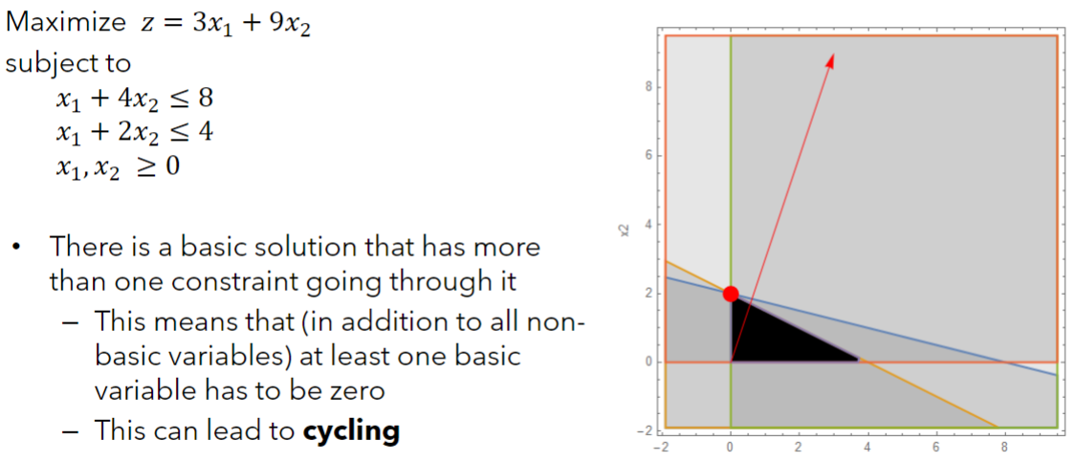

Basis | z | x1 | x2 | s1 | s2 | sol | identity cols = basic solution
z | 1 | -3 | -9 | 0 | 0 | 0 |  |  | Min Ratio
s1 | 0 | 1 | 4 | 1 | 0 | 8 | since non-negative solution , then feasible |  | 2
s2 | 0 | 1 | 2 | 0 | 1 | 4 |  |  | 2

x2 | entering basis
Basis | z | x1 | x2 | s1 | s2 | sol
z | 1 | -0.75 | 0 | 2.25 | 0 | 18 |  |  | Min Ratio
x2 | 0 | 0.25 | 1 | 0.25 | 0 | 2 |  |  | 8
s2 | 0 | 0.5 | 0 | -0.5 | 1 | 0 |  |  | 0

x1 | entering basis
Basis | z | x1 | x2 | s1 | s2 | sol
z | 1 | 0 | 0 | 1.5 | 1.5 | 18 |  | Note that you were already at the solution equivilent to the optimal, but you were not on the correct constraint
x2 | 0 | 0 | 1 | 0.5 | -0.5 | 2 |  | Degenerate = can generate the same point with a different constraint
x1 | 0 | 1 | 0 | -1 | 2 | 0 |  | If you have degeneracy, delete constrains that do nothing

Optimal solution since no priomising solutions

Example6 (Alternate optima)
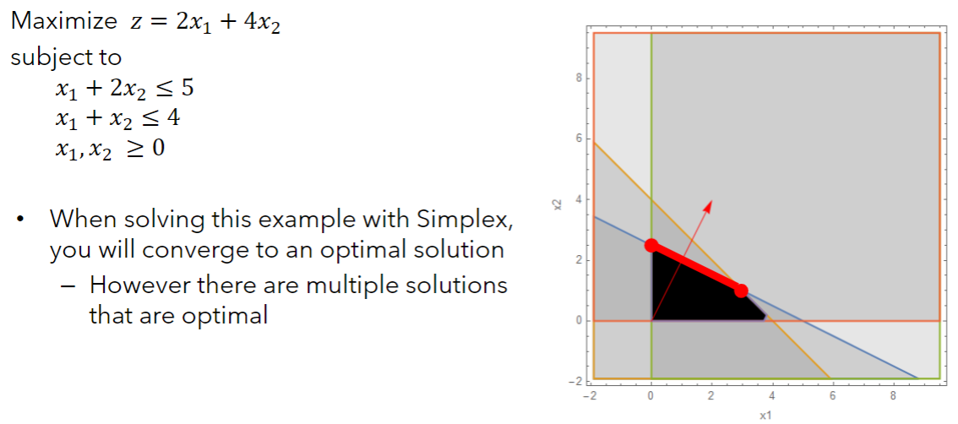

 |  |  |  |  |  |  |  |  |  |  | Select x1 for illistration
Basis | z | x1 | x2 | s1 | s2 | sol | identity cols = basic solution |  | Basis | z | x1 | x2 | s1 | s2 | sol
z | 1 | -2 | -4 | 0 | 0 | 0 |  | Min Ratio | z | 1 | -2 | -4 | 0 | 0 | 0
s1 | 0 | 1 | 2 | 1 | 0 | 5 | since non-negative solution , then feasible | 2.5 | s1 | 0 | 1 | 2 | 1 | 0 | 5
s2 | 0 | 1 | 1 | 0 | 1 | 4 |  | 4 | s2 | 0 | 1 | 1 | 0 | 1 | 4

x2 | entering basis |  |  |  |  |  |  |  | x1 | entering basis
Basis | z | x1 | x2 | s1 | s2 | sol |  |  | Basis | z | x1 | x2 | s1 | s2 | sol
z | 1 | 0 | 0 | 2 | 0 | 10 | <- optimal solution |  | z | 1 | 0 | 0 | 2 | 0 | 10 | If you selected the wrong basis, then you could have gotten the optimal
x2 | 0 | 0.5 | 1 | 0.5 | 0 | 2.5 | different solution |  | x1 | 0 | 1 | 2 | 1 | 0 | 5 | solution, but with infeasible parameters
s2 | 0 | 0.5 | 0 | -0.5 | 1 | 1.5 | different solution |  | s2 | 0 | 0 | -1 | -1 | 1 | -1
Optimal
 |  |  |  |  |  |  |  |  | x1 | entering basis |  | (choose other row)
Basis | z | x1 | x2 | s1 | s2 | sol |  |  | Basis | z | x1 | x2 | s1 | s2 | sol
 |  |  |  |  |  |  |  |  | z | 1 | 0 | -2 | 0 | 2 | 8 |  | min ratio
 |  |  |  |  |  |  |  |  | x1 | 0 | 0 | 1 | 1 | -1 | 1 |  | 1
 |  |  |  |  |  |  |  |  | s2 | 0 | 1 | 1 | 0 | 1 | 4 |  | 4

 |  |  |  |  |  |  |  |  | x2 | entering basis |  | (choose other row)
 |  |  |  |  |  |  |  |  | Basis | z | x1 | x2 | s1 | s2 | sol
 |  |  |  |  |  |  |  |  | z | 1 | 0 | 0 | 2 | 0 | 10 | <- optimal solution
 |  |  |  |  |  |  |  |  | x2 | 0 | 0 | 1 | 1 | -1 | 1 | different solution
 |  |  |  |  |  |  |  |  | s2 | 0 | 1 | 0 | -1 | 2 | 3 | different solution

 |  |  |  |  |  |  |  |  |  |  |  |  |  |  | This happens when the isoclimb is the

Example7A (Unb. sol space)
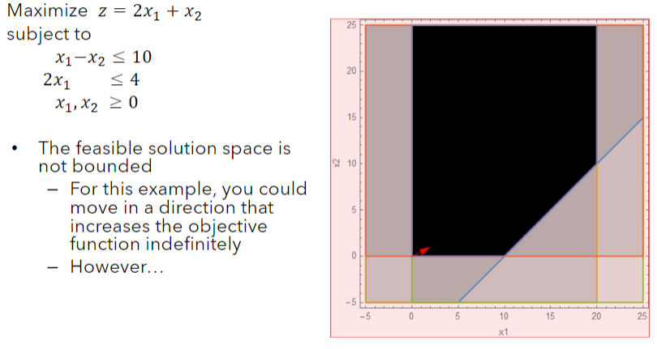
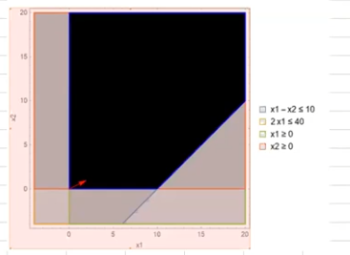

0

Basis | z | x1 | x2 | s1 | s2 | sol
z | 1 | -2 | -1 | 0 | 0 | 0 | min ratio
s1 | 0 | 1 | -1 | 1 | 0 | 10 | 10
s2 | 0 | 2 | 0 | 0 | 1 | 40 | 20

Basis | z | x1 | x2 | s1 | s2 | sol
z | 1 | 0 | -3 | 2 | 0 | 20 | min ratio
x1 | 0 | 1 | -1 | 1 | 0 | 10
s2 | 0 | 0 | 2 | -2 | 1 | 20 | 10

Basis | z | x1 | x2 | s1 | s2 | sol
z | 1 | 0 | 0 | -1 | 1.5 | 50 | min ratio
x1 | 0 | 1 | 0 | 0 | 0.5 | 20 | #DIV/0! | <- This means that there is an optimal solution, just unbounded. So cannot get to it
x2 | 0 | 0 | 1 | -1 | 0.5 | 10 | -10 | <-

Example7B (Unb. sol space)
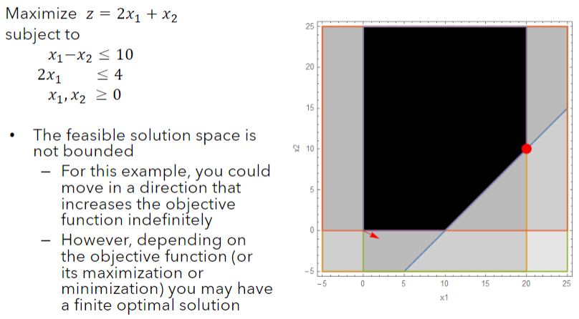

Basis | z | x1 | x2 | s1 | s2 | sol
z | 1 | -2 | 1 | 0 | 0 | 0 | min ratio
s1 | 0 | 1 | -1 | 1 | 0 | 10 | 10
s2 | 0 | 2 | 0 | 0 | 1 | 40 | 20

Basis | z | x1 | x2 | s1 | s2 | sol
z | 1 | 0 | -1 | 2 | 0 | 20 | min ratio
x1 | 0 | 1 | -1 | 1 | 0 | 10
s2 | 0 | 0 | 2 | -2 | 1 | 20 | 10

Basis | z | x1 | x2 | s1 | s2 | sol
z | 1 | 0 | 0 | 1 | 0.5 | 30 | Now is bounded solution (see 7a) - because there is a negative x2
x1 | 0 | 1 | 0 | 0 | 0.5 | 20
x2 | 0 | 0 | 1 | -1 | 0.5 | 10

